Socks
Break Even Analysis

Targets |  | Fixed Costs |  | Variable Costs (per unit)
Total Fixed Costs | - | Set Up | - | WC Branded socks (1 pair) | 9.25
Average Variable Costs | 9.25 | Shipping | - | John Weitz Colorful Socks (2)
Target Price | 13.75
Target Qty | 120.00
Target Profit | 200.00 | Total | - | Total | 9.25

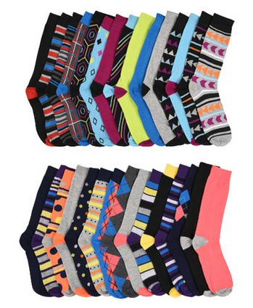
Assumes target values for all
variables except for the subject
variable being solved
Solutions
Quantity (Q) | 44.44
Price (P) | 10.92
Profit | 540.00
AVC | 12.08
TFC | 340.00

Pen
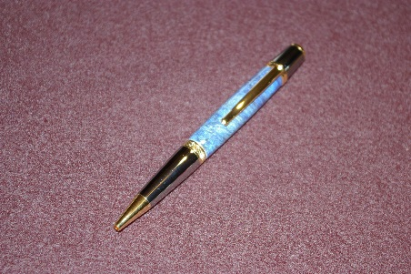
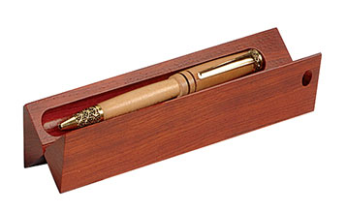
Break Even Analysis

Targets |  | Fixed Costs |  | Variable Costs (per unit)
Total Fixed Costs | 85.00 | Set Up | 50.00 | Wall Street Pen | 20.00
Average Variable Costs | 24.00 | Shipping | 35.00 | Pen Box | 4.00
Target Price | 35.00
Target Qty | 30.00
Target Profit | 200.00 | Total | 85.00 | Total | 24.00

Assumes target values for all
variables except for the subject
variable being solved
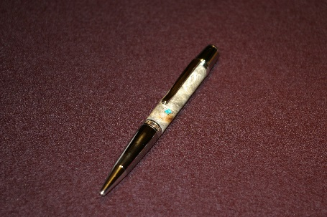
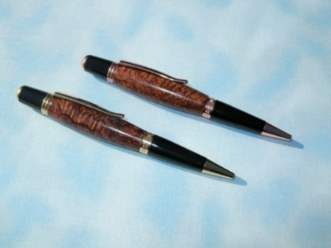
Solutions
Quantity (Q) | 25.91
Price (P) | 33.50
Profit | 245.00
AVC | 25.50
TFC | 130.00

Hammock
Break Even Analysis

Targets |  | Fixed Costs |  | Variable Costs (per unit)
Total Fixed Costs | 85.00 | Set Up | 50.00 | Hammock | 50.00
Average Variable Costs | 70.00 | Shipping | 35.00 | V Pad | 20.00
Target Price | 80.00
Target Qty | 30.00
Target Profit | 200.00 | Total | 85.00 | Total | 70.00

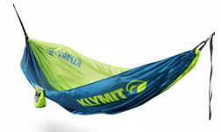
Assumes target values for all
variables except for the subject
variable being solved
Solutions
Quantity (Q) | 28.50
Price (P) | 79.50
Profit | 215.00
AVC | 70.50
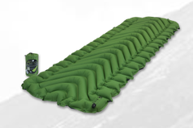
TFC | 100.00

Lights
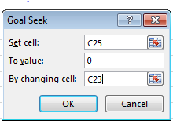
 |  | Fixed Costs |  | Variable Costs (per unit)
Price (P) | 14.6400 | Production/Warehouse | 60,000.00 | Production labor | 2.25
Quantity (Q) | 107,551.49 | Marketing | 150,000.00 | Materials | 3.00
Total Fixed Costs (TFC) | 780,000.00 | R&D | 400,000.00 | Shipping | 0.50
Average Varable Cost | 5.90 | Administration | 170,000.00 | Energy | 0.15
Profit | 160,000.00

Breakeven
Profit (Goal Seek) | 160000
Profit | 160000
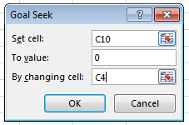
 |  |  | 780,000.00 |  | 5.90

Minimum Price at Target Quantity |  | Profit at Target Quantity |  | Target Quantity at Profit = $3,000,000
Minimum Price | 154.50 | Price | 14.64 | Price | 190
Target Quantity | 100,000.00 | Target Quantity | 100,000.00 | Target Quantity | 20,532.32
Profit | 14080000 | Profit | 94,000.00 | Profit | 3,000,000.00

Lights & Sounds
Quantity Relationship | QLights = Qsounds | Fixed Costs |  | Variable Costs (per unit): "Lights" |  | Variable Costs (per unit): "Sounds"
Price: Lights (PLights) | 190.00 | Building | 250,000.00 | Production labor | 45.00 | Production labor | 55.00
Price: Sounds (PSounds) | 200.00 | Project Management | 250,000.00 | Production supervisors | 5.00 | Production supervisors | 5.00
Quantity: Lights (QLights) | 20,348.84 | Advertising | 500,000.00 | Shipping | 8.00 | Shipping | 8.00
Quantity: Sounds (QSounds) | 20,348.84 | Computer network | 75,000.00 | Sales Commissions | 12.00 | Sales Commissions | 10.00
Total Fixed Costs (TFC) | 1,750,000.00 | General Administrative | 225,000.00 | Materials | 70.00 | Materials | 80.00
Average Fixed Cost | 86.00 | Equipment (depreciation) | 400,000.00 | Energy costs | 3.00 | Energy costs | 3.00
Total Variable Costs (TVC) | 2,909,883.72 | Redesign | 50,000.00
Average Varable Cost | 143.00

Breakeven
Profit (Goal Seek) | - |  | 1,750,000.00 |  | 143.00 |  | 161.00
Profit | -

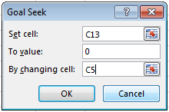

Target Profit = $5,000,000 |  | Target Quantities = 100,000 each
Target Quantity: Lights | 78,488.37 | Target Quantity: Lights | 100,000.00
Target Quantity: Sounds | 78,488.37 | Target Quantity: Sounds | 100,000.00
Profit | 5,000,000.00 | Profit | 6,850,000.00

